Sheet1
Team | First Name1 | Last Name1 | First Name2 | Last Name2 | First Name3 | Last Name3
Mars | Rachel | Hall | Ronald | Sanchez | Teresa | Reed
Jupiter | Esther | Roberts | Jordan | Richardson
Jupiter | Donald | Thomas | Roger | Gutierrez | Frances | Cooper
Jupiter | Kathleen | Walker | Katherine | Adams
Saturn | Brian | Thompson | Douglas | Cruz
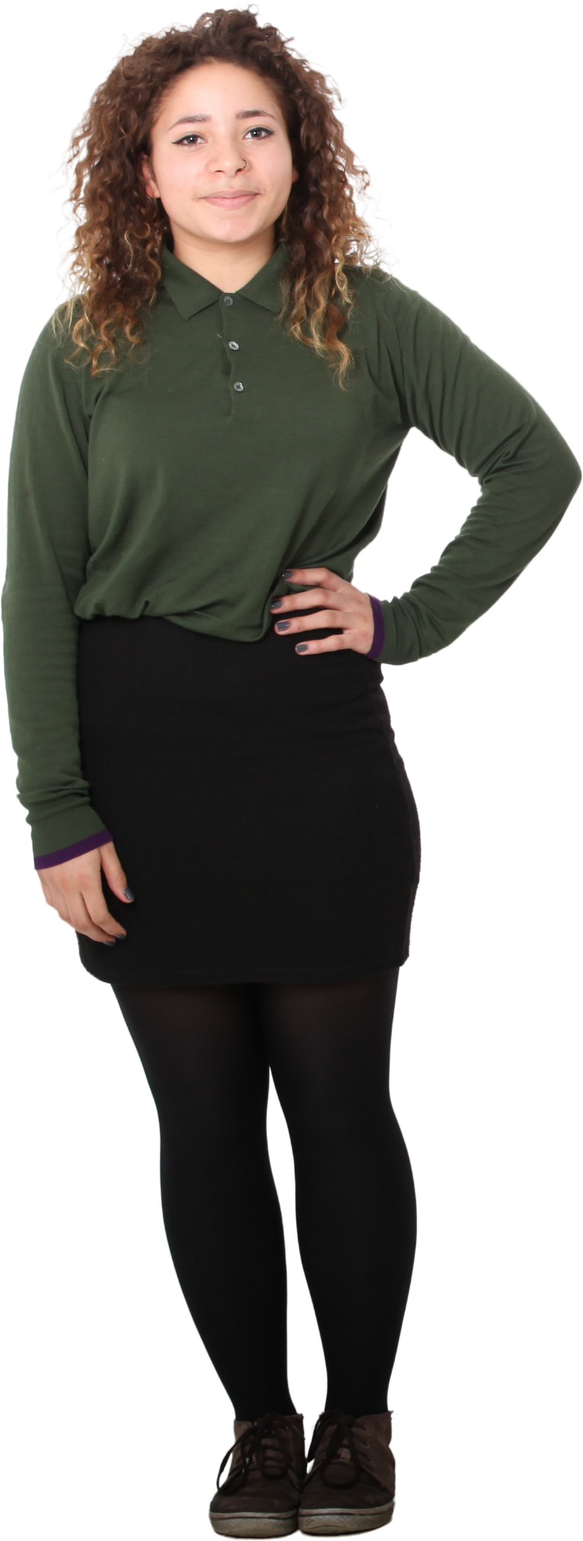
Saturn | Jacob | Walker | Justin | Nguyen | Dylan | Kim
Align the teams in columns with First Names and Last Names joined and sorting in alphabetical order.

Answer Expected
Mars | Jupiter | Saturn
Rachel Hall | Donald Thomas | Brian Thompson
Ronald Sanchez | Esther Roberts | Douglas Cruz
Teresa Reed | Frances Cooper | Dylan Kim
 | Jordan Richardson | Jacob Walker
 | Katherine Adams | Justin Nguyen
 | Kathleen Walker
 | Roger Gutierrez

